Pins
Pin Name | Pin Function | Master Connection | Pin Type
VIN | battery voltage in (5.0-8.5V) | battery+ | BATTERY
GND | ground | battery- | BATTERY
VCC | regulated 5V, 50-100mA maximum |  | OUTPUT | URAP = upper rack and pinion
M1A | motor 1 output (1A cont, 3A peak) | M1: Cam motor + | OUTPUT | LRAP = lower rack and pinion
M1B | motor 1 output (1A cont, 3A peak) | M1: Cam motor - | OUTPUT
M2A | motor 2 output (1A cont, 3A peak) | M2: Upper winch + | OUTPUT | M# = motor number #
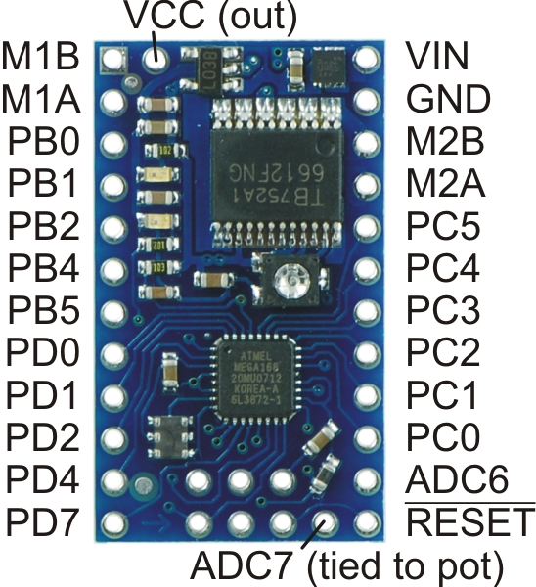
M2B | motor 2 output (1A cont, 3A peak) | M2: Upper winch - | OUTPUT | S# = sensor for motor number #
PB0 | digital I/O, Timer1 input capture, clock output | M3: Lower winch + | OUTPUT
PB1 | digital I/O, Timer1 PWM output A | M3: Lower winch - | OUTPUT
PB2 | digital I/O, Timer1 PWM output B | M4: Upper rack and pinion + | OUTPUT
PB4 | digital I/O, ISP programming | M4: Upper rack and pinion - | OUTPUT
PB5 | digital I/O, ISP programming
PC0 | digital I/O, analog input
PC1 | digital I/O, analog input | S1: Cam encoder | INPUT
PC2 | digital I/O, analog input | S5: LRAP encoder | INPUT
PC3 | digital I/O, analog input | S4: URAP encoder | INPUT
PC4 | digital I/O, analog input, I2C data (SDA) | S3: Lower winch hall effect sensor | INPUT
PC5 | digital I/O, analog input, I2C clock (SCL) | S2: Upper winch hall effect sensor | INPUT
PC6/RESET | digital I/O, reset (pulled high, active low)
PD0 | digital I/O, USART input pin (RXD) | RX (TX from breakout board)
PD1 | digital I/O, USART output pin (TXD), red LED | TX (RX from breakout board)
PD2 | digital I/O, external interrupt 0
PD4 | digital I/O, USART clock, Timer0 external counter | M5: Lower rack and pinion + | OUTPUT
PD7 | digital I/O | M5: Lower rack and pinion - | OUTPUT
ADC6 | analog input
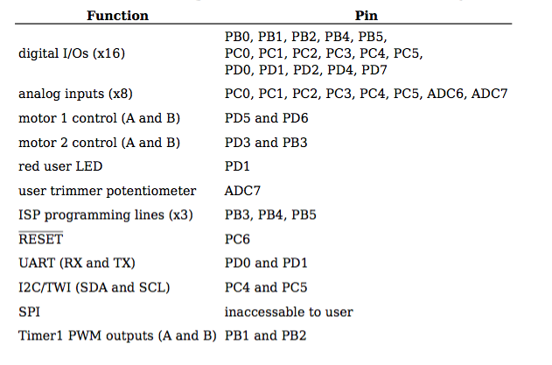
ADC7 | analog input, user potentiometer (GND to VCC)

